MCvragenAanleveren
 |  |  |  | Question 1 |  |  |  | Paste your diagram here
Instructions |  |  |  | Which role is played by the Stickman? |  |  |  | 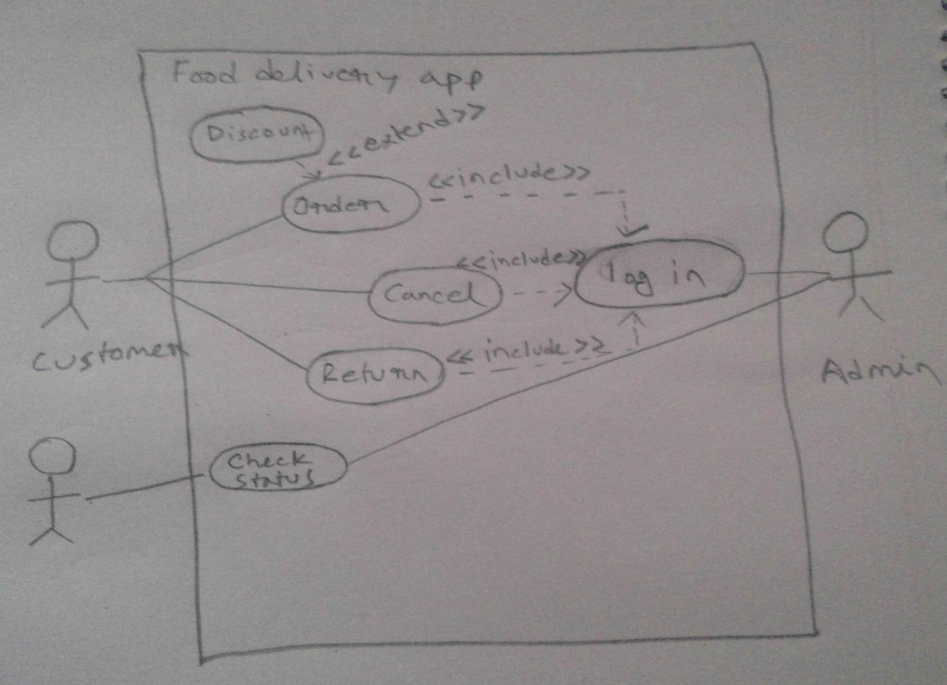
Complete the questions in columns H to K as shown in the example below
Paste your diagram(s) next to the questions in cell M5 |  |  |  | A | Actor | correct | It specifies the role of a user,or other system
If you did not make the diagram yourself, add the source in cell Q39 |  |  |  | B | UseCase | wrong | It refers to a logical description of part of the system
 |  |  |  | C | Include | wrong | It indicates use case has to be used
Question 0 |  |  |  | D | Undirected Association | wrong | it connects actor to primary use case
Are there any even prime numbers?
 |  |  |  | Question 2
A | no | wrong | 2 is the only even prime number | What is the function of the ouse cases?
B | yes, only one | correct | 2 is indeed the only prime number
C | yes, many | wrong | only 2 is a prime number, any other even number is divisible by 2 and hence not prime | A | The role of a user | wrong | This is the function of an actor
D | unknown | wrong | 2 is known and a prime number | B | The role of a system | wrong | This is the function of an actor
 |  |  |  | C | Logical description of part of the system | correct | use case describes logical description of part of the system
 |  |  |  | D | A and B both | wrong | Both is the function of an actor

 |  |  |  | Question 3
 |  |  |  | What type of use case order use case is?

 |  |  |  | A | Primary | correct | It is directly link with am actor
 |  |  |  | B | Seconday | wrong | It is not directly link with am actor
 |  |  |  | C | Tertiary | wrong | It is not directly link with am actor
 |  |  |  | D | Quaternary | wrong | It is not directly link with am actor

 |  |  |  | Question 4
 |  |  |  | What type of actor customer is ?

 |  |  |  | A | Primary | correct | Left side actor reffer to primary actor
 |  |  |  | B | Seconday | wrong | Right side actor reffer to secondary actor
 |  |  |  | C | Tertiary | wrong | Left side actor reffer to primary actor
 |  |  |  | D | Quaternary | wrong | Left side actor reffer to primary actor

 |  |  |  | Question 5
 |  |  |  | What type of actor admin is?

 |  |  |  | A | Primary | wrong | Left side actor reffer to primary actor
 |  |  |  | B | Secondary | correct | Right side actor reffer to secondary actor | Source diagram (if you didn't make it yourself):
 |  |  |  | C | Tertiary | wrong | Right side actor reffer to secondary actor
 |  |  |  | D | Quaternary | wrong | Right side actor reffer to secondary actor

